Number
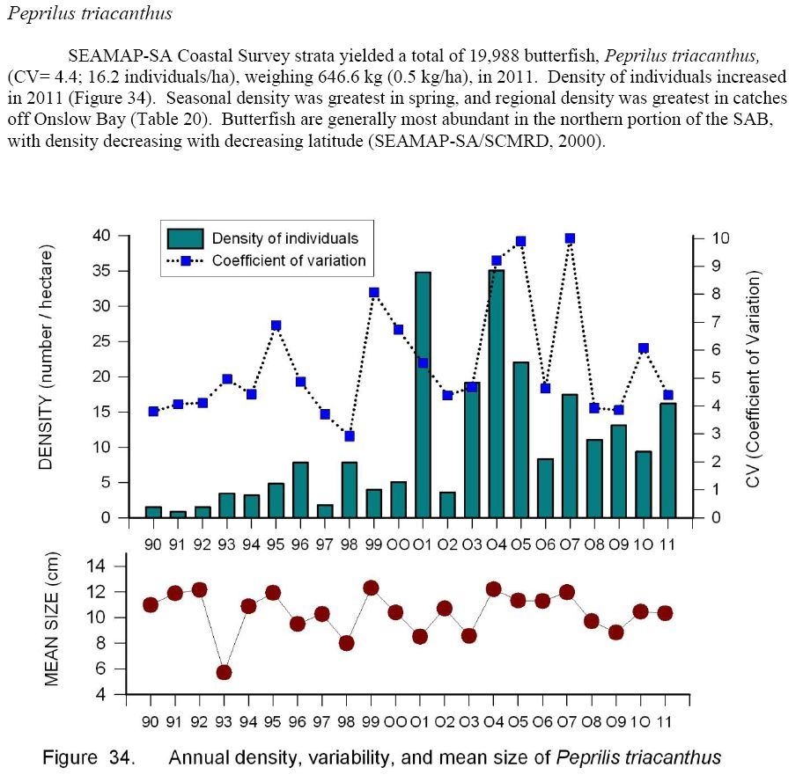
Median
Years Ago | Year | NEFSC | Median | SE | Srtat Mean ME/NH Inshore | Median | SE | MA North Inshore | Median | SE | MA South Inshore | Median | SE | URI Nar Bay Avg of 2 fixed points | Median | CT Long Island Sound | Median | per NM DE Bay | Median | NEAMAP | Median | SE | Weighted CPUE NC Pamlico Sound | Median | SE | SEAMAP
53 | 1959 |  |  |  |  |  |  |  |  |  |  |  |  | 3.25 | 41.77
52 | 1960 |  |  |  |  |  |  |  |  |  |  |  |  | 1.13 | 41.77
51 | 1961 |  |  |  |  |  |  |  |  |  |  |  |  | 1.92 | 41.77
50 | 1962 |  |  |  |  |  |  |  |  |  |  |  |  | 0.63 | 41.77
49 | 1963 |  |  |  |  |  |  |  |  |  |  |  |  | 0.72 | 41.77
48 | 1964 |  |  |  |  |  |  |  |  |  |  |  |  | 2.47 | 41.77
47 | 1965 |  |  |  |  |  |  |  |  |  |  |  |  | 3.50 | 41.77
46 | 1966 |  |  |  |  |  |  |  |  |  |  |  |  | 0.67 | 41.77
45 | 1967 |  |  |  |  |  |  |  |  |  |  |  |  | 3.96 | 41.77
44 | 1968 |  |  |  |  |  |  |  |  |  |  |  |  | 1.33 | 41.77
43 | 1969 |  |  |  |  |  |  |  |  |  |  |  |  | 2.70 | 41.77
42 | 1970 |  |  |  |  |  |  |  |  |  |  |  |  | 4.86 | 41.77
41 | 1971 |  |  |  |  |  |  |  |  |  |  |  |  | 7.50 | 41.77
40 | 1972 |  |  |  |  |  |  |  |  |  |  |  |  | 4.70 | 41.77
39 | 1973 |  |  |  |  |  |  |  |  |  |  |  |  | 1.88 | 41.77
38 | 1974 |  |  |  |  |  |  |  |  |  |  |  |  | 18.94 | 41.77
37 | 1975 | 45.09 | 184.46 | 10.72 |  |  |  |  |  |  |  |  |  | 19.73 | 41.77
36 | 1976 | 139.36 | 184.46 | 32.80 |  |  |  |  |  |  |  |  |  | 43.14 | 41.77
35 | 1977 | 81.54 | 184.46 | 19.70 |  |  |  |  |  |  |  |  |  | 4.00 | 41.77
34 | 1978 | 136.08 | 184.46 | 35.88 |  |  |  | 11.44 | 62.26 | 3.34 | 223.00 | 460.14 | 41.40 | 9.25 | 41.77
33 | 1979 | 307.09 | 184.46 | 75.17 |  |  |  | 7.80 | 62.26 | 2.90 | 136.47 | 460.14 | 24.20 | 11.67 | 41.77
32 | 1980 | 299.51 | 184.46 | 91.50 |  |  |  | 263.72 | 62.26 | 109.00 | 647.79 | 460.14 | 258.00 | 1.53 | 41.77
31 | 1981 | 255.90 | 184.46 | 91.49 |  |  |  | 69.45 | 62.26 | 17.50 | 155.00 | 460.14 | 41.50 | 13.52 | 41.77
30 | 1982 | 98.33 | 184.46 | 27.41 |  |  |  | 8.83 | 62.26 | 2.06 | 416.40 | 460.14 | 206.00 | 45.16 | 41.77
29 | 1983 | 434.07 | 184.46 | 123.67 |  |  |  | 43.57 | 62.26 | 15.90 | 348.92 | 460.14 | 50.60 | 81.28 | 41.77
28 | 1984 | 320.80 | 184.46 | 116.06 |  |  |  | 19.40 | 62.26 | 13.80 | 108.39 | 460.14 | 19.90 | 50.55 | 41.77 | 51.93 | 154.65
27 | 1985 | 383.53 | 184.46 | 100.63 |  |  |  | 85.40 | 62.26 | 24.40 | 172.30 | 460.14 | 44.40 | 33.26 | 41.77 | 89.72 | 154.65
26 | 1986 | 170.52 | 184.46 | 37.39 |  |  |  | 41.29 | 62.26 | 16.80 | 356.71 | 460.14 | 80.60 | 52.27 | 41.77 | 63.41 | 154.65
25 | 1987 | 117.46 | 184.46 | 33.57 |  |  |  | 0.36 | 62.26 | 0.19 | 21.42 | 460.14 | 6.84 | 41.79 | 41.77 | 60.09 | 154.65
24 | 1988 | 273.50 | 184.46 | 48.66 |  |  |  | 11.49 | 62.26 | 6.13 | 1,704.46 | 460.14 | 373.00 | 30.14 | 41.77 | 146.67 | 154.65
23 | 1989 | 379.15 | 184.46 | 145.31 |  |  |  | 2.92 | 62.26 | 1.63 | 139.55 | 460.14 | 33.70 | 102.19 | 41.77 | 174.87 | 154.65
22 | 1990 | 382.44 | 184.46 | 86.65 |  |  |  | 384.82 | 62.26 | 144.00 | 299.15 | 460.14 | 75.40 | 75.46 | 41.77 | 154.65 | 154.65 | 8.93 | 10.66 |  |  |  | 2.59 | 1.98 | 0.46
21 | 1991 | 190.06 | 184.46 | 82.05 |  |  |  | 82.17 | 62.26 | 28.10 | 337.79 | 460.14 | 79.50 | 96.06 | 41.77 | 170.59 | 154.65 | 6.09 | 10.66 |  |  |  | 2.57 | 1.98 | 0.76
20 | 1992 | 249.77 | 184.46 | 66.24 |  |  |  | 16.30 | 62.26 | 5.10 | 1,387.88 | 460.14 | 346.00 | 120.52 | 41.77 | 301.72 | 154.65 | 3.33 | 10.66 |  |  |  | 1.31 | 1.98 | 0.32
19 | 1993 | 251.21 | 184.46 | 62.21 |  |  |  | 25.77 | 62.26 | 9.75 | 1,694.82 | 460.14 | 654.00 | 281.71 | 41.77 | 87.73 | 154.65 | 59.24 | 10.66 |  |  |  | 2.25 | 1.98 | 0.62
18 | 1994 | 507.31 | 184.46 | 239.56 |  |  |  | 107.98 | 62.26 | 28.10 | 662.56 | 460.14 | 198.00 | 317.33 | 41.77 | 93.05 | 154.65 | 5.14 | 10.66 |  |  |  | 1.91 | 1.98 | 0.69
17 | 1995 | 114.24 | 184.46 | 29.74 |  |  |  | 567.09 | 62.26 | 332.00 | 673.56 | 460.14 | 271.00 | 120.97 | 41.77 | 320.06 | 154.65 | 7.62 | 10.66 |  |  |  | 1.34 | 1.98 | 0.25
16 | 1996 | 80.06 | 184.46 | 17.17 |  |  |  | 57.54 | 62.26 | 23.70 | 691.93 | 460.14 | 306.00 | 100.98 | 41.77 | 173.74 | 154.65 | 11.43 | 10.66 |  |  |  | 2.26 | 1.98 | 0.36
15 | 1997 | 123.90 | 184.46 | 29.12 |  |  |  | 62.03 | 62.26 | 25.60 | 770.89 | 460.14 | 290.00 | 114.04 | 41.77 | 186.62 | 154.65 | 21.43 | 10.66 |  |  |  | 0.53 | 1.98 | 0.12
14 | 1998 | 216.72 | 184.46 | 70.69 |  |  |  | 62.49 | 62.26 | 25.50 | 2,057.60 | 460.14 | 696.00 | 84.16 | 41.77 | 355.49 | 154.65 | 32.41 | 10.66 |  |  |  | 1.72 | 1.98 | 0.31
13 | 1999 | 250.17 | 184.46 | 93.76 |  |  |  | 185.31 | 62.26 | 50.10 | 749.89 | 460.14 | 198.00 | 116.33 | 41.77 | 477.91 | 154.65 | 15.46 | 10.66 |  |  |  | 1.99 | 1.98 | 0.38
12 | 2000 | 204.69 | 184.46 | 56.38 | 2.26 | 37.57 | 0.78 | 127.31 | 62.26 | 75.30 | 203.59 | 460.14 | 63.30 | 46.63 | 41.77 | 125.97 | 154.65 | 9.60 | 10.66 |  |  |  | 1.80 | 1.98 | 0.40
11 | 2001 | 62.81 | 184.46 | 19.80 | 11.73 | 37.57 | 4.38 | 11.50 | 62.26 | 4.79 | 150.20 | 460.14 | 54.10 | 95.25 | 41.77 | 142.89 | 154.65 | 11.60 | 10.66 |  |  |  | 1.57 | 1.98 | 0.36
10 | 2002 | 89.91 | 184.46 | 20.06 | 37.90 | 37.57 | 13.72 | 97.13 | 62.26 | 32.50 | 503.88 | 460.14 | 125.00 | 34.83 | 41.77 | 165.07 | 154.65 | 9.90 | 10.66 |  |  |  | 1.49 | 1.98 | 0.31
9 | 2003 | 188.12 | 184.46 | 28.68 | 19.65 | 37.57 | 4.50 | 10.95 | 62.26 | 5.53 | 1,220.24 | 460.14 | 430.00 | 46.20 | 41.77 | 112.86 | 154.65 | 30.75 | 10.66 |  |  |  | 1.46 | 1.98 | 0.27
8 | 2004 | 68.48 | 184.46 | 21.75 | 37.24 | 37.57 | 6.02 | 71.69 | 62.26 | 36.50 | 205.61 | 460.14 | 54.10 | 61.42 | 41.77 | 175.37 | 154.65 | 31.03 | 10.66 |  |  |  | 1.38 | 1.98 | 0.42
7 | 2005 | 39.46 | 184.46 | 11.83 | 36.16 | 37.57 | 21.37 | 8.68 | 62.26 | 4.19 | 710.65 | 460.14 | 121.00 | 53.48 | 41.77 | 197.24 | 154.65 | 3.93 | 10.66 |  |  |  | 2.73 | 1.98 | 0.67
6 | 2006 | 180.48 | 184.46 | 43.43 | 38.91 | 37.57 | 10.93 | 78.88 | 62.26 | 25.70 | 201.01 | 460.14 | 44.60 | 191.90 | 41.77 | 140.23 | 154.65 | 8.36 | 10.66 |  |  |  | 1.96 | 1.98 | 0.37
5 | 2007 | 37.78 | 184.46 | 9.67 | 24.85 | 37.57 | 3.71 | 61.04 | 62.26 | 25.10 | 553.04 | 460.14 | 152.00 | 25.52 | 41.77 | 154.53 | 154.65 | 6.62 | 10.66 | 70.75 | 166.77 | 2.41 | 2.01 | 1.98 | 0.62
4 | 2008 | 131.77 | 184.46 | 30.37 | 112.10 | 37.57 | 42.00 | 77.24 | 62.26 | 62.50 | 1,084.38 | 460.14 | 406.00 | 44.07 | 41.77 | 181.71 | 154.65 | 14.93 | 10.66 | 207.38 | 166.77 | 5.60 | 7.79 | 1.98 | 1.48
3 | 2009 | 184.46 | 184.46 | 45.95 | 303.59 | 37.57 | 50.50 | 908.14 | 62.26 | 300.00 | 837.71 | 460.14 | 167.00 | 60.48 | 41.77 | 409.75 | 154.65 | 7.01 | 10.66 | 166.77 | 166.77 | 4.00 | 3.91 | 1.98 | 0.94
2 | 2010 | 128.14 | 184.46 | 30.69 | 63.24 | 37.57 | 12.26 | 67.88 | 62.26 | 12.90 | 198.31 | 460.14 | 49.40 | 41.77 | 41.77 |  | 154.65 | 14.83 | 10.66 | 219.68 | 166.77 | 5.27 | 5.18 | 1.98 | 1.18
1 | 2011 | 250.91 | 184.46 | 70.96 | 108.94 | 37.57 | 27.86 | 294.10 | 62.26 | 138.00 | 1,374.19 | 460.14 | 342.00 | 54.45 | 41.77 | 39.62 | 154.65 | 29.06 | 10.66 | 106.34 | 166.77 | 3.72 | 5.95 | 1.98 | 1.08
 | Median | 184.46 |  |  | 37.57 |  |  | 62.26 |  |  | 460.14 |  |  | 41.77 |  | 154.65 |  | 10.66 |  | 166.77 |  |  | 1.98
 | 2011/median | 1.36 |  |  | 2.90 |  |  | 4.72 |  |  | 2.99 |  |  | 1.30 |  | 0.26 |  | 2.73 |  | 0.64 |  |  | 3.01
 |  | NEFSC |  |  | ME/NH | Median |  | MA North | Median |  | MA South | Median |  | RI | Median | CTLI | Median | DE | Median | NEAMAP | Median |  | NC Pamlico Sound | Median |  | SEAMAP | Median

 |  |  |  |  |  |  |  |  |  |  |  |  |  | Average of Fo |  | Possibly impacted by Hurricane Irene

